SEC
Program NODLE version 3.06

Input data: Section properties:
Section | Material | Area | Shear area |  | Torsional | Bending inertias |  | Centroid |  | Shear centre
number | number | Ax | Ay | Az | Stiffness | Iy | Iz | Cy | Cz | Sy | Sz
:Portal arches
101 | 1 | 6.36E-03 | 3.06E-03 | 2.94E-03 | 2.57E-05 | 3.04E-05 | 1.02E-05 |  |  |  |  |  |  |  |  |  |  |  | Local axes in NODLE: |  |  | y is vertical in section coordinate system
102 | 1 | 6.36E-03 | 3.06E-03 | 2.94E-03 | 2.57E-05 | 3.04E-05 | 1.02E-05 |  |  |  |  | From Arup drawing 7359-130230 [0]:
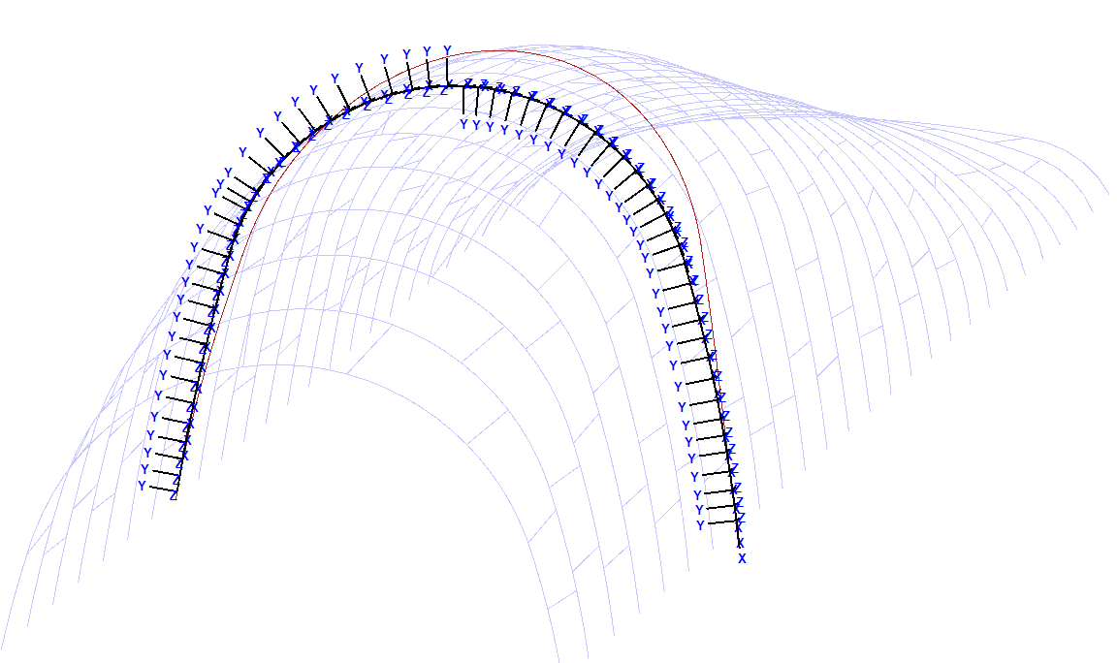
103 | 1 | 6.36E-03 | 3.06E-03 | 2.94E-03 | 2.57E-05 | 3.04E-05 | 1.02E-05
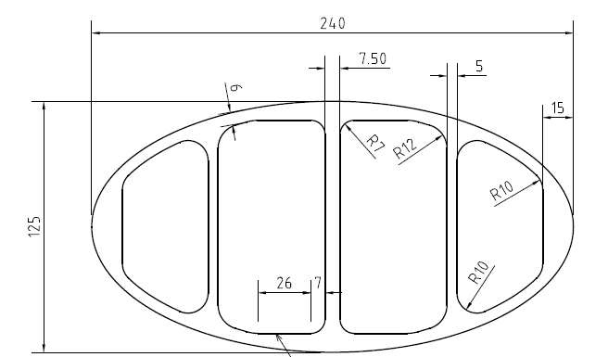
104 | 1 | 6.36E-03 | 3.06E-03 | 2.94E-03 | 2.57E-05 | 3.04E-05 | 1.02E-05
105 | 1 | 6.36E-03 | 3.06E-03 | 2.94E-03 | 2.57E-05 | 3.04E-05 | 1.02E-05
106 | 1 | 6.36E-03 | 3.06E-03 | 2.94E-03 | 2.57E-05 | 3.04E-05 | 1.02E-05
107 | 1 | 6.36E-03 | 3.06E-03 | 2.94E-03 | 2.57E-05 | 3.04E-05 | 1.02E-05
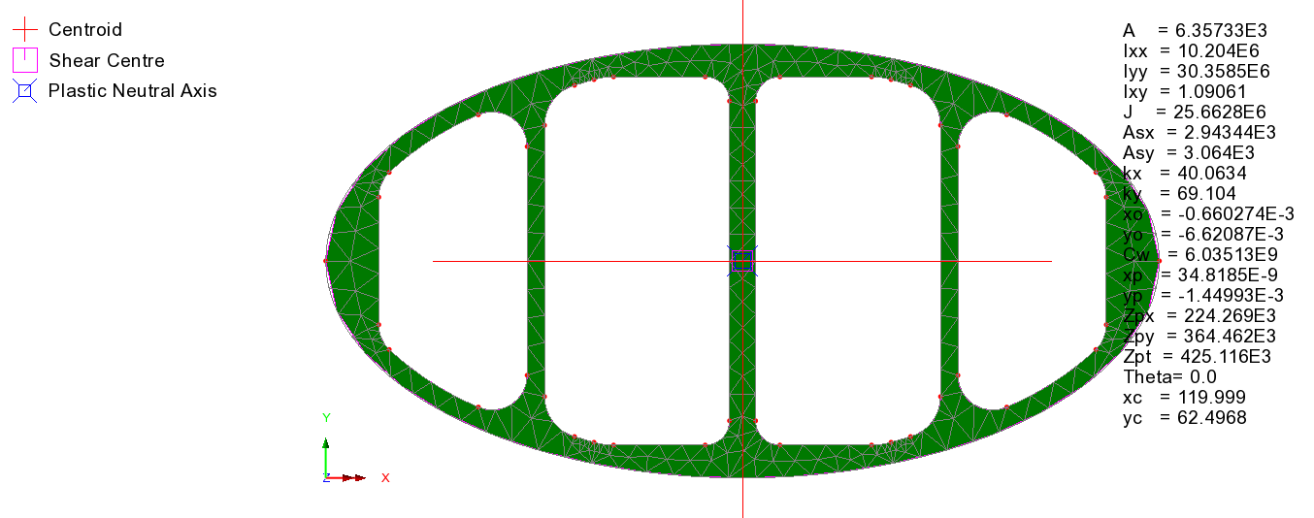
108 | 1 | 6.36E-03 | 3.06E-03 | 2.94E-03 | 2.57E-05 | 3.04E-05 | 1.02E-05
109 | 1 | 6.36E-03 | 3.06E-03 | 2.94E-03 | 2.57E-05 | 3.04E-05 | 1.02E-05
110 | 1 | 6.36E-03 | 3.06E-03 | 2.94E-03 | 2.57E-05 | 3.04E-05 | 1.02E-05
111 | 1 | 6.36E-03 | 3.06E-03 | 2.94E-03 | 2.57E-05 | 3.04E-05 | 1.02E-05
112 | 1 | 6.36E-03 | 3.06E-03 | 2.94E-03 | 2.57E-05 | 3.04E-05 | 1.02E-05
113 | 1 | 6.36E-03 | 3.06E-03 | 2.94E-03 | 2.57E-05 | 3.04E-05 | 1.02E-05
114 | 1 | 6.36E-03 | 3.06E-03 | 2.94E-03 | 2.57E-05 | 3.04E-05 | 1.02E-05
115 | 1 | 6.36E-03 | 3.06E-03 | 2.94E-03 | 2.57E-05 | 3.04E-05 | 1.02E-05
116 | 1 | 6.36E-03 | 3.06E-03 | 2.94E-03 | 2.57E-05 | 3.04E-05 | 1.02E-05
117 | 1 | 6.36E-03 | 3.06E-03 | 2.94E-03 | 2.57E-05 | 3.04E-05 | 1.02E-05
118 | 1 | 6.36E-03 | 3.06E-03 | 2.94E-03 | 2.57E-05 | 3.04E-05 | 1.02E-05
119 | 1 | 6.36E-03 | 3.06E-03 | 2.94E-03 | 2.57E-05 | 3.04E-05 | 1.02E-05 |  |  |  |  | Crude check of torsion J: |  | Ellipse major axis width |  |  | 240 | mm
120 | 1 | 6.36E-03 | 3.06E-03 | 2.94E-03 | 2.57E-05 | 3.04E-05 | 1.02E-05 |  |  |  |  |  |  | Ellipse minor axis width |  |  | 125 | mm
121 | 1 | 6.36E-03 | 3.06E-03 | 2.94E-03 | 2.57E-05 | 3.04E-05 | 1.02E-05 |  |  |  |  |  |  | a |  |  | 120 | mm
122 | 1 | 6.36E-03 | 3.06E-03 | 2.94E-03 | 2.57E-05 | 3.04E-05 | 1.02E-05 |  |  |  |  |  |  | b |  |  | 62.5 | mm
123 | 1 | 6.36E-03 | 3.06E-03 | 2.94E-03 | 2.57E-05 | 3.04E-05 | 1.02E-05 |  |  |  |  |  |  | h |  |  | 0.10
124 | 1 | 6.36E-03 | 3.06E-03 | 2.94E-03 | 2.57E-05 | 3.04E-05 | 1.02E-05 |  |  |  |  |  |  | Circumference C |  |  | 588 | mm
125 | 1 | 6.36E-03 | 3.06E-03 | 2.94E-03 | 2.57E-05 | 3.04E-05 | 1.02E-05 |  |  |  |  |  |  | Area A |  |  | 23562 | mm²
126 | 1 | 6.36E-03 | 3.06E-03 | 2.94E-03 | 2.57E-05 | 3.04E-05 | 1.02E-05
127 | 1 | 6.36E-03 | 3.06E-03 | 2.94E-03 | 2.57E-05 | 3.04E-05 | 1.02E-05 |  |  |  |  |  |  | Wall thickness t |  |  | 6 | mm
:Struts between portals (note: due to dummy member assignment in MEM tab, these values are not actually used) |  |  |  |  |  |  |  |  |  |  |  |  |  | Torsion J |  |  | 2.27E+07 | mm⁴
201 | 1 | 9.14E-04 | 4.57E-04 | 4.57E-04 | 2.15E-06 | 1.08E-06 | 1.08E-06 |  |  |  |  |  |  | J calculated by LUSAS |  |  | 2.57E+07 | mm⁴
202 | 1 | 9.14E-04 | 4.57E-04 | 4.57E-04 | 2.15E-06 | 1.08E-06 | 1.08E-06 |  |  |  |  |  |  | % difference |  |  | 88%
203 | 1 | 9.14E-04 | 4.57E-04 | 4.57E-04 | 2.15E-06 | 1.08E-06 | 1.08E-06 |  |  |  |  |  |  | Not bad for a simple calc! Neglects thicker regions
204 | 1 | 9.14E-04 | 4.57E-04 | 4.57E-04 | 2.15E-06 | 1.08E-06 | 1.08E-06
205 | 1 | 9.14E-04 | 4.57E-04 | 4.57E-04 | 2.15E-06 | 1.08E-06 | 1.08E-06
206 | 1 | 9.14E-04 | 4.57E-04 | 4.57E-04 | 2.15E-06 | 1.08E-06 | 1.08E-06 |  |  |  |  | Strut cross section:
207 | 1 | 9.14E-04 | 4.57E-04 | 4.57E-04 | 2.15E-06 | 1.08E-06 | 1.08E-06
208 | 1 | 9.14E-04 | 4.57E-04 | 4.57E-04 | 2.15E-06 | 1.08E-06 | 1.08E-06 |  |  |  |  | CHS section | Outer dia. |  | 100 | mm |  | Aluminum unit weight |  |  | 26487 | N/m³
209 | 1 | 9.14E-04 | 4.57E-04 | 4.57E-04 | 2.15E-06 | 1.08E-06 | 1.08E-06 |  |  |  |  |  | Thickness |  | 3 | mm |  | Weight per unit length |  |  | 24.21 | N/m
210 | 1 | 9.14E-04 | 4.57E-04 | 4.57E-04 | 2.15E-06 | 1.08E-06 | 1.08E-06 |  |  |  |  |  | Radius to midwall |  | 48.5 | mm |  | Mass per unit length |  | = | 2.5 | kg/m
211 | 1 | 9.14E-04 | 4.57E-04 | 4.57E-04 | 2.15E-06 | 1.08E-06 | 1.08E-06
212 | 1 | 9.14E-04 | 4.57E-04 | 4.57E-04 | 2.15E-06 | 1.08E-06 | 1.08E-06 |  |  |  |  | Section properties: |  | Ax | 914 | mm² | = | 9.14E-04 | m²
213 | 1 | 9.14E-04 | 4.57E-04 | 4.57E-04 | 2.15E-06 | 1.08E-06 | 1.08E-06 |  |  |  |  |  |  | Ay | 457 | mm² | = | 4.57E-04 | m²
214 | 1 | 9.14E-04 | 4.57E-04 | 4.57E-04 | 2.15E-06 | 1.08E-06 | 1.08E-06 |  |  |  |  |  |  | Az | 457 | mm² | = | 4.57E-04 | m²
215 | 1 | 9.14E-04 | 4.57E-04 | 4.57E-04 | 2.15E-06 | 1.08E-06 | 1.08E-06 |  |  |  |  |  |  | J | 2.15E+06 | mm⁴ | = | 2.15E-06 | m4
216 | 1 | 9.14E-04 | 4.57E-04 | 4.57E-04 | 2.15E-06 | 1.08E-06 | 1.08E-06 |  |  |  |  |  |  | Iyy | 1.08E+06 | mm⁴ | = | 1.08E-06 | m4
217 | 1 | 9.14E-04 | 4.57E-04 | 4.57E-04 | 2.15E-06 | 1.08E-06 | 1.08E-06 |  |  |  |  |  |  | Izz | 1.08E+06 | mm⁴ | = | 1.08E-06 | m4
218 | 1 | 9.14E-04 | 4.57E-04 | 4.57E-04 | 2.15E-06 | 1.08E-06 | 1.08E-06
219 | 1 | 9.14E-04 | 4.57E-04 | 4.57E-04 | 2.15E-06 | 1.08E-06 | 1.08E-06 |  |  |  |  | However the above section properties are not really used, as dummy members defined in the MEM tab
220 | 1 | 9.14E-04 | 4.57E-04 | 4.57E-04 | 2.15E-06 | 1.08E-06 | 1.08E-06
221 | 1 | 9.14E-04 | 4.57E-04 | 4.57E-04 | 2.15E-06 | 1.08E-06 | 1.08E-06
222 | 1 | 9.14E-04 | 4.57E-04 | 4.57E-04 | 2.15E-06 | 1.08E-06 | 1.08E-06
223 | 1 | 9.14E-04 | 4.57E-04 | 4.57E-04 | 2.15E-06 | 1.08E-06 | 1.08E-06
224 | 1 | 9.14E-04 | 4.57E-04 | 4.57E-04 | 2.15E-06 | 1.08E-06 | 1.08E-06
225 | 1 | 9.14E-04 | 4.57E-04 | 4.57E-04 | 2.15E-06 | 1.08E-06 | 1.08E-06
226 | 1 | 9.14E-04 | 4.57E-04 | 4.57E-04 | 2.15E-06 | 1.08E-06 | 1.08E-06

RES
Program NODLE version 3.06

Input data: Restraints:
Node | Restrained | Spring | Last | Node | Direction vector |  |  | Skew
number | directions | stiffness | node | incr. | X | Y | Z | angle
:All baseplate nodes
:Spring stiffnesses are from Arup aeroelastic report - converted to m and deg |  |  |  |  |  |  |  |  | From OBahn_Aeroelastic_Approach.pdf:
10100 | 111111
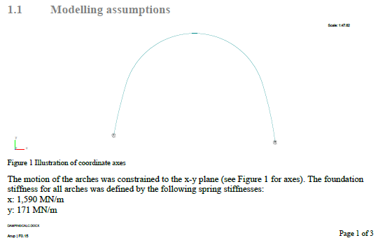
10100 | 010000 | 1.59E+09
10100 | 001000 | 1.71E+08
10100 | 000100 | 1.25E+04
:
10146 | 111111
10146 | 010000 | 1.59E+09
10146 | 001000 | 1.71E+08
10146 | 000100 | 1.25E+04
:
10200 | 111111
10200 | 010000 | 1.59E+09
10200 | 001000 | 1.71E+08
10200 | 000100 | 1.25E+04
:
10250 | 111111
10250 | 010000 | 1.59E+09
10250 | 001000 | 1.71E+08
10250 | 000100 | 1.25E+04
:
10300 | 111111
10300 | 010000 | 1.59E+09
10300 | 001000 | 1.71E+08
10300 | 000100 | 1.25E+04
: |  |  |  |  |  |  |  |  |  |  |  |  | 1 | rad | = | 57.3 | deg
10355 | 111111 |  |  |  |  |  |  |  |  |  |  |  | 1 | /rad | = | 0.017 | /deg
10355 | 010000 | 1.59E+09
10355 | 001000 | 1.71E+08
10355 | 000100 | 1.25E+04 |  |  |  |  |  |  | Arup values: | xx | 1590 | MN/m | = | 1.59E+09 | N/m
: |  |  |  |  |  |  |  |  |  | yy | 171 | MN/m | = | 1.71E+08 | N/m
10400 | 111111 |  |  |  |  |  |  |  |  | zz | 0.7182 | MNm/rad | = | 7.18E+05 | N/m/rad | = | 1.25E+04 | N/m/deg
10400 | 010000 | 1.59E+09
10400 | 001000 | 1.71E+08 |  |  |  |  |  |  | Note: Nodle units are N m deg
10400 | 000100 | 1.25E+04 |  |  |  |  |  |  | Arups axes are different and frames are constrained in xy plane
: |  |  |  |  |  |  |  |  | Springs to use in NODLE analysis are thus as follows
10459 | 111111
10459 | 010000 | 1.59E+09 |  |  |  |  |  |  | Translation: | X | (fixed) |  |  | Rotation: | X | 1.25E+04 | N/m/deg
10459 | 001000 | 1.71E+08 |  |  |  |  |  |  |  | Y | x in Arup | 1.59E+09 | N/m |  | Y | (fixed)
10459 | 000100 | 1.25E+04 |  |  |  |  |  |  |  | Z | y in Arup | 1.71E+08 | N/m |  | Z | (fixed)
:
10500 | 111111
10500 | 010000 | 1.59E+09
10500 | 001000 | 1.71E+08
10500 | 000100 | 1.25E+04
:
10556 | 111111
10556 | 010000 | 1.59E+09
10556 | 001000 | 1.71E+08
10556 | 000100 | 1.25E+04
:
10600 | 111111
10600 | 010000 | 1.59E+09
10600 | 001000 | 1.71E+08
10600 | 000100 | 1.25E+04
:
10660 | 111111
10660 | 010000 | 1.59E+09
10660 | 001000 | 1.71E+08
10660 | 000100 | 1.25E+04
:
10700 | 111111
10700 | 010000 | 1.59E+09
10700 | 001000 | 1.71E+08
10700 | 000100 | 1.25E+04
:
10760 | 111111
10760 | 010000 | 1.59E+09
10760 | 001000 | 1.71E+08
10760 | 000100 | 1.25E+04
:
10800 | 111111
10800 | 010000 | 1.59E+09
10800 | 001000 | 1.71E+08
10800 | 000100 | 1.25E+04
:
10860 | 111111
10860 | 010000 | 1.59E+09
10860 | 001000 | 1.71E+08
10860 | 000100 | 1.25E+04
:
10900 | 111111
10900 | 010000 | 1.59E+09
10900 | 001000 | 1.71E+08
10900 | 000100 | 1.25E+04
:
10959 | 111111
10959 | 010000 | 1.59E+09
10959 | 001000 | 1.71E+08
10959 | 000100 | 1.25E+04
:
11000 | 111111
11000 | 010000 | 1.59E+09
11000 | 001000 | 1.71E+08
11000 | 000100 | 1.25E+04
:
11059 | 111111
11059 | 010000 | 1.59E+09
11059 | 001000 | 1.71E+08
11059 | 000100 | 1.25E+04
:
11100 | 111111
11100 | 010000 | 1.59E+09
11100 | 001000 | 1.71E+08
11100 | 000100 | 1.25E+04
:
11159 | 111111
11159 | 010000 | 1.59E+09
11159 | 001000 | 1.71E+08
11159 | 000100 | 1.25E+04
:
11200 | 111111
11200 | 010000 | 1.59E+09
11200 | 001000 | 1.71E+08
11200 | 000100 | 1.25E+04
:
11254 | 111111
11254 | 010000 | 1.59E+09
11254 | 001000 | 1.71E+08
11254 | 000100 | 1.25E+04
:
11300 | 111111
11300 | 010000 | 1.59E+09
11300 | 001000 | 1.71E+08
11300 | 000100 | 1.25E+04
:
11355 | 111111
11355 | 010000 | 1.59E+09
11355 | 001000 | 1.71E+08
11355 | 000100 | 1.25E+04
:
11400 | 111111
11400 | 010000 | 1.59E+09
11400 | 001000 | 1.71E+08
11400 | 000100 | 1.25E+04
:
11455 | 111111
11455 | 010000 | 1.59E+09
11455 | 001000 | 1.71E+08
11455 | 000100 | 1.25E+04
:
11500 | 111111
11500 | 010000 | 1.59E+09
11500 | 001000 | 1.71E+08
11500 | 000100 | 1.25E+04
:
11550 | 111111
11550 | 010000 | 1.59E+09
11550 | 001000 | 1.71E+08
11550 | 000100 | 1.25E+04
:
11600 | 111111
11600 | 010000 | 1.59E+09
11600 | 001000 | 1.71E+08
11600 | 000100 | 1.25E+04
:
11649 | 111111
11649 | 010000 | 1.59E+09
11649 | 001000 | 1.71E+08
11649 | 000100 | 1.25E+04
:
11700 | 111111
11700 | 010000 | 1.59E+09
11700 | 001000 | 1.71E+08
11700 | 000100 | 1.25E+04
:
11746 | 111111
11746 | 010000 | 1.59E+09
11746 | 001000 | 1.71E+08
11746 | 000100 | 1.25E+04
:
11800 | 111111
11800 | 010000 | 1.59E+09
11800 | 001000 | 1.71E+08
11800 | 000100 | 1.25E+04
:
11845 | 111111
11845 | 010000 | 1.59E+09
11845 | 001000 | 1.71E+08
11845 | 000100 | 1.25E+04
:
11900 | 111111
11900 | 010000 | 1.59E+09
11900 | 001000 | 1.71E+08
11900 | 000100 | 1.25E+04
:
11941 | 111111
11941 | 010000 | 1.59E+09
11941 | 001000 | 1.71E+08
11941 | 000100 | 1.25E+04
:
12000 | 111111
12000 | 010000 | 1.59E+09
12000 | 001000 | 1.71E+08
12000 | 000100 | 1.25E+04
:
12039 | 111111
12039 | 010000 | 1.59E+09
12039 | 001000 | 1.71E+08
12039 | 000100 | 1.25E+04
:
12100 | 111111
12100 | 010000 | 1.59E+09
12100 | 001000 | 1.71E+08
12100 | 000100 | 1.25E+04
:
12141 | 111111
12141 | 010000 | 1.59E+09
12141 | 001000 | 1.71E+08
12141 | 000100 | 1.25E+04
:
12200 | 111111
12200 | 010000 | 1.59E+09
12200 | 001000 | 1.71E+08
12200 | 000100 | 1.25E+04
:
12237 | 111111
12237 | 010000 | 1.59E+09
12237 | 001000 | 1.71E+08
12237 | 000100 | 1.25E+04
:
12300 | 111111
12300 | 010000 | 1.59E+09
12300 | 001000 | 1.71E+08
12300 | 000100 | 1.25E+04
:
12335 | 111111
12335 | 010000 | 1.59E+09
12335 | 001000 | 1.71E+08
12335 | 000100 | 1.25E+04
:
12400 | 111111
12400 | 010000 | 1.59E+09
12400 | 001000 | 1.71E+08
12400 | 000100 | 1.25E+04
:
12432 | 111111
12432 | 010000 | 1.59E+09
12432 | 001000 | 1.71E+08
12432 | 000100 | 1.25E+04
:
12500 | 111111
12500 | 010000 | 1.59E+09
12500 | 001000 | 1.71E+08
12500 | 000100 | 1.25E+04
:
12533 | 111111
12533 | 010000 | 1.59E+09
12533 | 001000 | 1.71E+08
12533 | 000100 | 1.25E+04
:
12600 | 111111
12600 | 010000 | 1.59E+09
12600 | 001000 | 1.71E+08
12600 | 000100 | 1.25E+04
:
12633 | 111111
12633 | 010000 | 1.59E+09
12633 | 001000 | 1.71E+08
12633 | 000100 | 1.25E+04
:
12700 | 111111
12700 | 010000 | 1.59E+09
12700 | 001000 | 1.71E+08
12700 | 000100 | 1.25E+04
:
12730 | 111111
12730 | 010000 | 1.59E+09
12730 | 001000 | 1.71E+08
12730 | 000100 | 1.25E+04
:

NLO
Program NODLE version 3.06

Input data: Node loads:
Load | Node | Last | Node | Forces |  |  | Moments
case | number | node | incr. | Fx | Fy | Fz | Mx | My | Mz
:Splice points
2 | 10122 |  |  |  |  | -71.4 |  |  |  | Splice spigot weight estimation:
2 | 10225 |  |  |  |  | -71.4
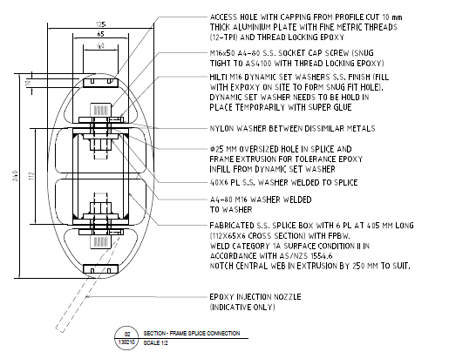
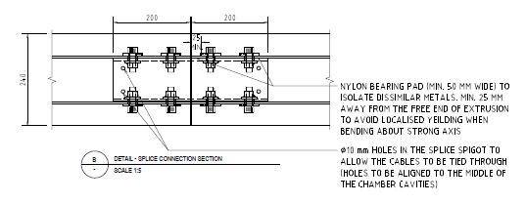
2 | 10327 |  |  |  |  | -71.4
2 | 10430 |  |  |  |  | -71.4
2 | 10529 |  |  |  |  | -71.4
2 | 10629 |  |  |  |  | -71.4
2 | 10730 |  |  |  |  | -71.4
2 | 10829 |  |  |  |  | -71.4
2 | 10929 |  |  |  |  | -71.4
2 | 11028 |  |  |  |  | -71.4
2 | 11129 |  |  |  |  | -71.4
2 | 11226 |  |  |  |  | -71.4
2 | 11328 |  |  |  |  | -71.4
2 | 11427 |  |  |  |  | -71.4
2 | 11524 |  |  |  |  | -71.4
2 | 11624 |  |  |  |  | -71.4 |  |  |  |  | Spigot RHS section: | D | 112 | mm
2 | 11723 |  |  |  |  | -71.4 |  |  |  |  |  | B | 65 | mm
2 | 11823 |  |  |  |  | -71.4 |  |  |  |  |  | t | 6 | mm
2 | 11921 |  |  |  |  | -71.4 |  |  |  |  |  | Area | 1980 | mm²
2 | 12020 |  |  |  |  | -71.4 |  |  |  |  |  | Length | 400 | mm
2 | 12120 |  |  |  |  | -71.4 |  |  |  |  |  | Volume | 792000 | mm³ | = | 0.000792 | m³
2 | 12218 |  |  |  |  | -71.4
2 | 12317 |  |  |  |  | -71.4 |  |  |  |  |  | Unit weight of stainless steel: |  |  | = | 7.70E+04 | N/m³
2 | 12416 |  |  |  |  | -71.4 |  |  |  |  |  | Weight per RHS spigot |  |  | = | 61.0 | N | = | 6.22 | kg
2 | 12516 |  |  |  |  | -71.4
2 | 12616 |  |  |  |  | -71.4 |  |  |  |  | Bolting:
2 | 12716 |  |  |  |  | -71.4
 |  |  |  |  |  |  |  |  |  |  | Bolt dia: | 16 | mm
 |  |  |  |  |  |  |  |  |  |  | Shank length: | 50 | mm
 |  |  |  |  |  |  |  |  |  |  | Shank volume: | 10053 | mm³ | = | 1.0053096491E-05 | m³

 |  |  |  |  |  |  |  |  |  |  | Bolt head dimensions:
 |  |  |  |  |  |  |  |  |  |  | Head depth: | 10.2 | mm
 |  |  |  |  |  |  |  |  |  |  | Across points: | 27.7 | mm
 |  |  |  |  |  |  |  |  |  |  | Idealise as cylinder
 |  |  |  |  |  |  |  |  |  |  | Head volume: | 2263 | mm³ | = | 2.2634452503E-06 | m³

 |  |  |  |  |  |  |  |  |  |  | Assume nut similar, add 50% allowance for washers

 |  |  |  |  |  |  |  |  |  |  | Total volume per bolt: | 16843 | mm³ | = | 1.6843432242E-05 | m³
 |  |  |  |  |  |  |  |  |  |  | No bolts per connection: | 8

 |  |  |  |  |  |  |  |  |  |  | Bolts are in stainless steel as per spigot
 |  |  |  |  |  |  |  |  |  |  | Total weight of bolts: | 10.4 | N | = | 1.06 | kg

 |  |  |  |  |  |  |  |  |  |  | Total

 |  |  |  |  |  |  |  |  |  |  | Weight of spigot RHS: | 61.0
 |  |  |  |  |  |  |  |  |  |  | Weight of bolting: | 10.4
 |  |  |  |  |  |  |  |  |  |  | Total weight: | 71.4 |  | Apply as series of node loads

